Sheet1
 | from | to
D.V | i | j | unit cost
30 | 1 | 3 | 20
0 | 1 | 4 | 30
0 | 2 | 4 | 10
40 | 2 | 5 | 20
20 | 3 | 4 | 20
0 | 3 | 6 | 40
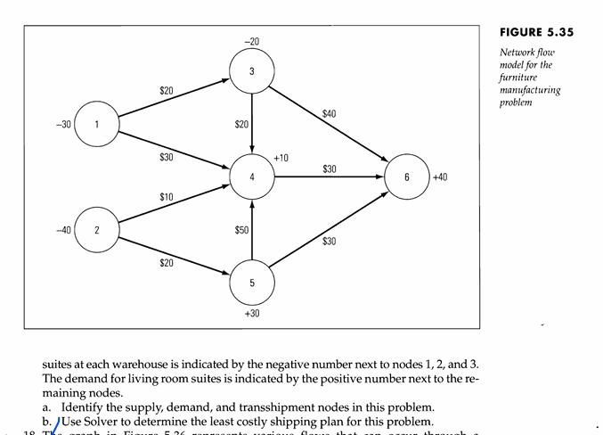
10 | 4 | 6 | 40 |  |  | node | net folw | supply/demand
0 | 5 | 4 | 50 |  |  | 1 | -30 | -30
0 | 5 | 6 | 30 |  |  | 2 | -40 | -40
 |  |  |  |  |  | 3 | -20 | -20
 |  |  |  |  |  | 4 | 10 | 10
 |  |  |  |  |  | 5 | 0 | 30
 |  |  |  |  |  | 6 | 0 | 40

 |  |  |  | total | 2200

 |  |  |  | the supply node:1,2

 |  |  |  | the demand node: 6

 |  |  |  | transmittal node: 3,4, 5

